Azure authentication methods

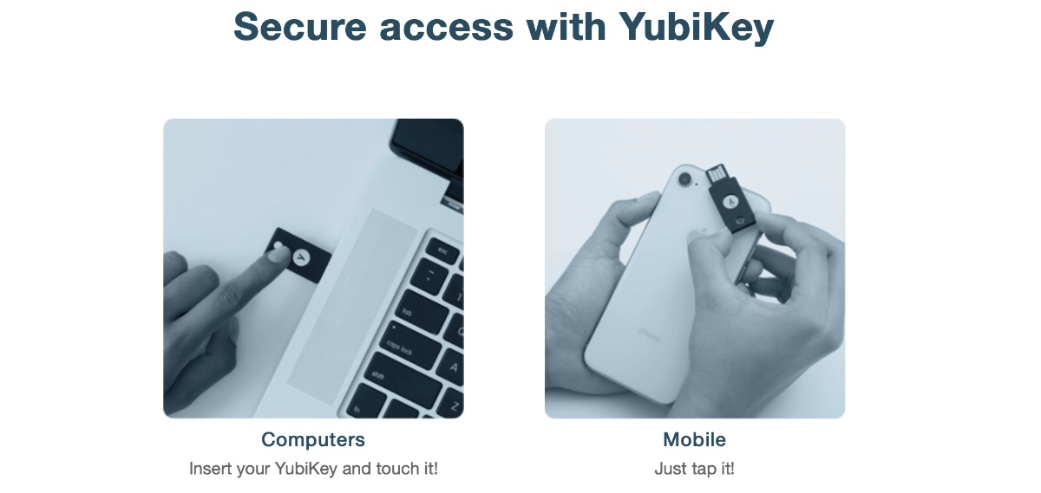
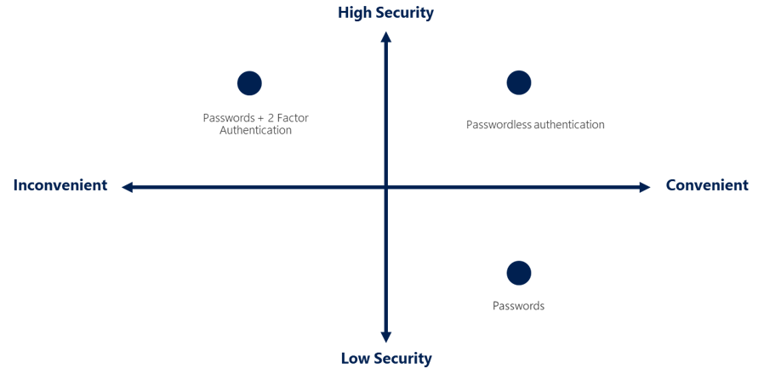

What’s multifactor authentication?

What's Microsoft Entra multifactor authentication?
 | enables users to choose an additional form of authentication during sign-in, such as a phone call or mobile app notification.

What’s passwordless authentication?
 | the password is removed and replaced with something you have, plus something you are, or something you know.

 | Windows Hello for Business
 |  | The biometric and PIN credentials are directly tied to the user's PC
 | Microsoft Authenticator App
 |  | allow your employee's phone to become a passwordless authentication method.
 |  | The Authenticator App turns any iOS or Android phone into a strong, passwordless credential
 |  | Users can sign-in to any platform or browser by getting a notification to their phone, matching a number displayed on the screen to the one on their phone, and then using their biometric (touch or face) or PIN to confirm.
 | FIDO2 security keys

Azure role-based access control
Azure role-based access control (Azure RBAC)
 | giống aws policies, user, group

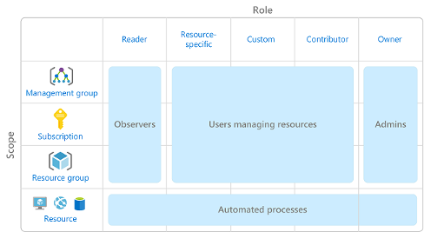

How is Azure RBAC enforced?

zero trust model
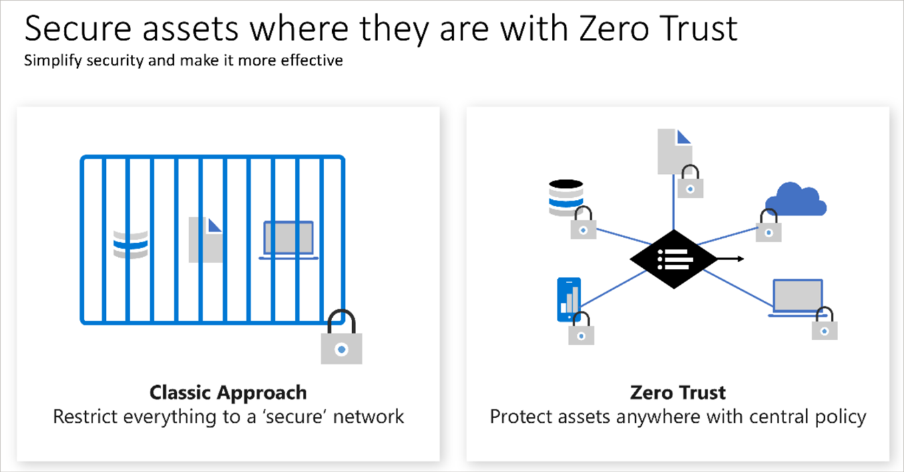
Zero Trust is a security model that assumes the worst case scenario and protects resources with that expectation.
Zero Trust assumes breach at the outset (giả định phạm vi ngay từ đầu), and then verifies each request as though it originated (bắt nguồn) from an uncontrolled network.

Adjusting to Zero Trust
 | Traditionally, corporate networks were restricted, protected, and generally assumed safe.
 | Only managed computers could join the network, VPN access was tightly controlled, and personal devices were frequently restricted or blocked.

 | with zero trust, Instead of assuming that a device is safe because it’s within the corporate network, it requires everyone to authenticate.
 | Then grants access based on authentication rather than location.

defense-in-depth
The objective of defense-in-depth is to protect information and prevent it from being stolen by those who aren't authorized to access it.
use several layers of protection to prevent information from being accessed or stolen by unauthorized users.

Layers of defense-in-depth

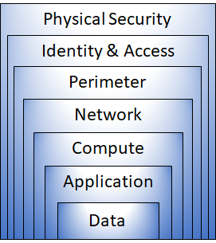
 | Physical security
 |  | protect computing hardware in the datacenter.

 | Identity and access
 |  | access is granted only to what's needed,
 |  | sign-in events and changes are logged.

 | Perimeter
 |  | Use DDoS protection to filter large-scale attacks before they can affect the availability of a system for users.
 |  | Use perimeter firewalls to identify and alert on malicious attacks against your network.

 | Network
 |  | limiting the network connectivity across all your resources to allow only what's required
 |  | By limiting this communication, you reduce the risk of an attack spreading to other systems in your network.

 | Compute
 |  | Secure access to virtual machines.

 | Application
 |  | Ensure that applications are secure and free of vulnerabilities.
 |  | Store sensitive application secrets in a secure storage medium.

 | DATA
 |  | controls access to data that you need to protect.

